Login




Login Form
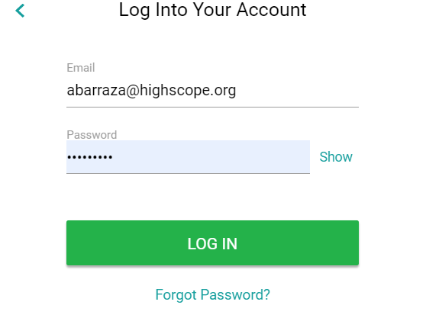

Landing
Messages
Settings
Help
Logout

This is the landing page of the Directors and teachers
if the director is part of multiple center in an organization then there will be an option to chooose center based on the center assessment page will be visible
teachers login directly land to assessment page and she/he can select the class rooms and assess the students

Assessments

Moments

Storyboards

Lesson Planner

Attendance

Daily Sheets

Yearbooks

Reports

Roster

Tags

Powered by HighScope

Account Manager
Messages
Settings
Help
Logout

Accont Manager will on boad program/Edit/archive or Inactivate org
Once on boarding is comlete he/she can add admin user for respective program group
Also able to create centers page will have additional option of adding class rooms and

On Boad Program
Org ID
Org Name
Org Heirachy
Location
Users
Centers
Add Centers
Add User
Add Center
Record 1..
Add Account Managers
Record 2..

Record 3..

+

Powered by HighScope

Program Admin
Messages
Settings
Help
Logout

Program Admin
Program Admin will be able to add/edit/archive centers
Program Admin can add/edit/archive director for the director for the center
Program admin can add/edit/archive classrooms and teachers and associate teachers to the class rooms
Program admin can add/edit/archive teachers associate class room

Add Centers
Org ID
Org Name
Center Name
Location/Address
Users
Classrooms
Add User
Add Classroom
Record 1..
Record 2..

Record 3..

+

Powered by HighScope

